coal retirement
 | coal power plant retirement schedule |  |  |  |  |  |  |  |  |  |  |  |  |  |  |  |  |  |  |  |  |  |  |  |  |  |  | interpolated (2046 to 2050)
year | 2019 | 2020 | 2021 | 2022 | 2023 | 2024 | 2025 | 2026 | 2027 | 2028 | 2029 | 2030 | 2031 | 2032 | 2033 | 2034 | 2035 | 2036 | 2037 | 2038 | 2039 | 2040 | 2041 | 2042 | 2043 | 2044 | 2045 | 2046 | 2047 | 2048 | 2049 | 2050 | 2051 | 2052 | 2053 | 2054 | 2055
capacity (MW) |  |  |  |  |  |  | 1.1 |  |  |  |  | 1 |  |  |  |  |  |  |  |  |  | 10 |  |  |  |  | 24 | 22.1 | 20.2 | 18.3 | 16.4 | 14.5 | 12.6 | 10.7 | 8.8 | 6.9 | 5

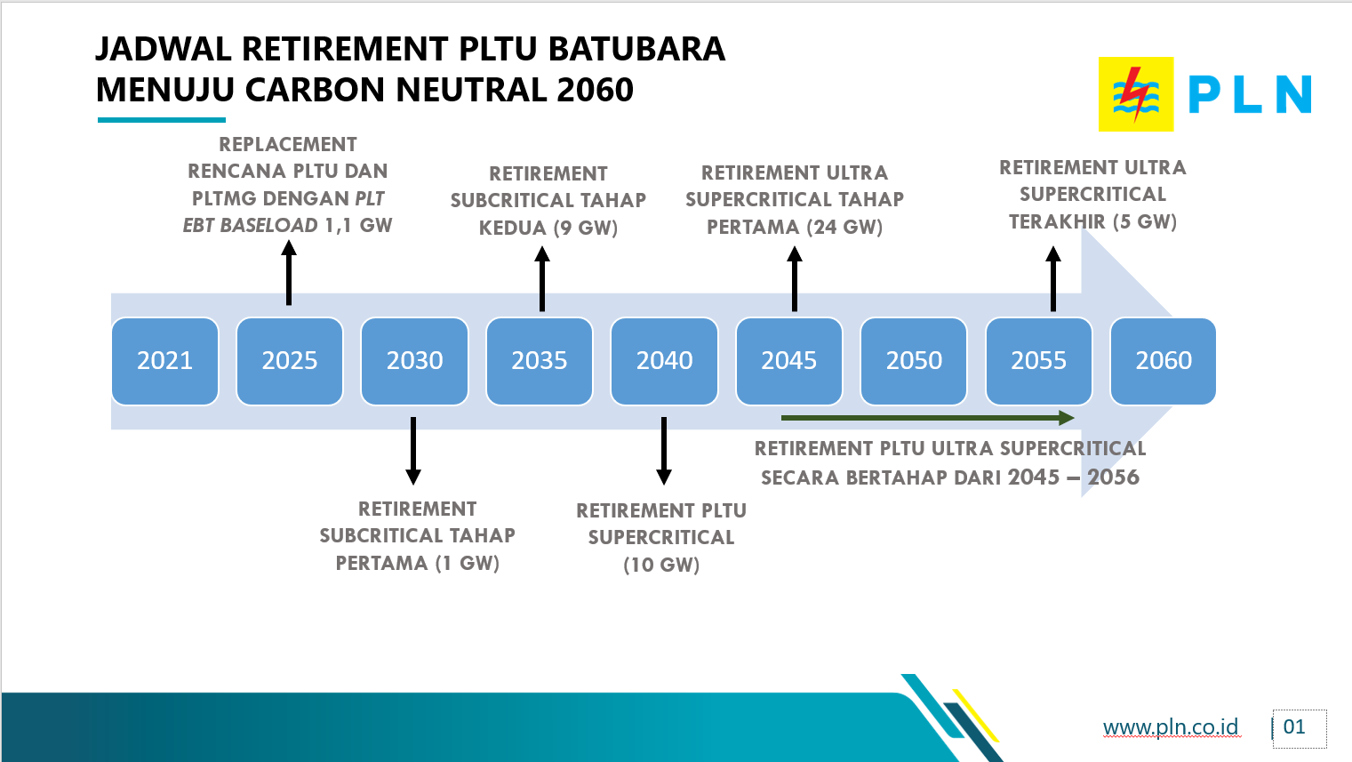
 |  |  |  |  |  |  |  |  |  |  |  |  |  |  |  |  |  |  |  |  |  |  |  |  |  |  | known:
 |  |  |  |  |  |  |  |  |  |  |  |  |  |  |  |  |  |  |  |  |  |  |  |  |  |  | 2045 | 2055
 |  |  |  |  |  |  |  |  |  |  |  |  |  |  |  |  |  |  |  |  |  |  |  |  |  |  | 24 | 5

deploy_19-28
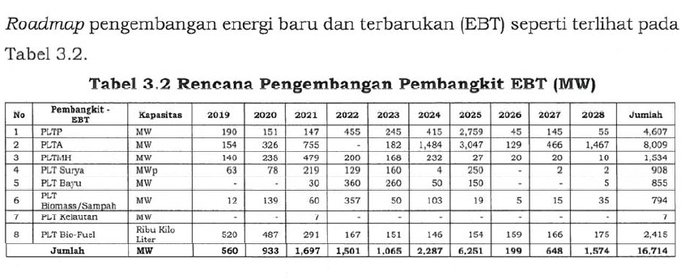
new RE power plant deployment year
 | 2019* | 2020 | 2021 | 2022 | 2023 | 2024 | 2025 | 2026 | 2027 | 2028
geothermal (MW) | 190 | 151 | 147 | 245 | 215 | 415 | 2759 | 45 | 145 | 55
hydropower (MW) | 154 | 326 | 755 |  | 182 | 1484 | 3047 | 129 | 466 | 1467
minihydro (MW) | 140 | 238 | 479 | 200 | 168 | 232 | 27 | 20 | 20 | 10
solar (MW) | 63 | 78 | 219 | 129 | 160 | 4 | 250 |  | 2 | 2
wind (MW) |  |  | 30 | 360 | 260 | 50 | 150 |  |  | 5
biomass/MSW (MW) | 12 | 139 | 60 | 257 | 50 | 103 | 19 | 5 | 15 | 35

*for 2019, the data used is the historical one (sheet 'deploy_10-19' since this data is government plant, not necessarily deployed)

